Horticulture Supplies
Item | Description |  | Price | Status | Unit of Measure
Grabber Heat Packs H2O | Available 30 per case or pallet qty |  | $22.30 |  | Case

Gel Cold Packs | Available by case or pallet qty (50 per pallet) |  | $23.80 |  | 8oz, 72ct
 |  |  | $17.30 |  | 16oz, 36ct
 |  |  | $16.20 |  | 24oz, 24ct
 |  |  | $15.95 |  | 32oz, 18ct

Peatlite Mix (80x10x10) | 3 cubic ft per bag, 80% peat, 10% perlite, 10% vermiculite. 48 bags per pallet. 24 pallets per 53-ft trailer |  | $22.60 |  | Bag

Plastic Tray Inserts | 4 sizes available, sold individually |  | $3.15 |  | INS 72W
 |  |  | $3.15 |  | INS 128W
 |  |  | $3.15 |  | INS 242W

Styrofoam Seed Trays | Molded from Expanded Polystyrene and contains no CFC's. Can ship FedEx, LTL, and full trucks. | 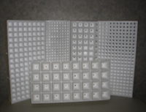 | $7.75 | Low Inventory | TR18A
 |  |  | $9.25 | Low Inventory | TR392N
 |  |  | $9.25 | Low Inventory | TR392T

Super Cote | GCF005 Water Based Sealant used to extend the life expectancy of styrofoam seed trays. Sold individually or pallets of 36. Each pail weighs 56 lbs. |  | $126.89 |  | 5 Gallon pail

Styro Foam Containers | EPS Molded Shipping Containers, sold w/ lid. |  | $8.49 |  | GPS2 Double
 |  |  | $4.58 |  | GPS2 Single
 |  |  | $1.97 |  | Speedling Small
 |  |  | $3.23 |  | Speedling Med
 |  |  | $3.79 |  | Speedling Lg

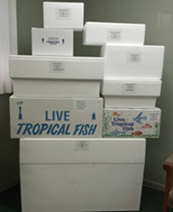
Corrugated Boxes | Corrugated Boxes, with a fish print or plain box. |  | $3.32 |  | GPS2 Double - Plain
 |  |  | $3.15 |  | GPS2 Double - Printed
 |  |  | $2.18 |  | GPS2 Single - Plain
 |  |  | $2.15 |  | GPS2 Single - Printed
 |  |  | $1.65 |  | Speedling Small - Plain
 |  |  | $1.74 |  | Speedling Med - Plain
 |  |  | $1.98 |  | Speedling Lg - Plain

